Sheet1
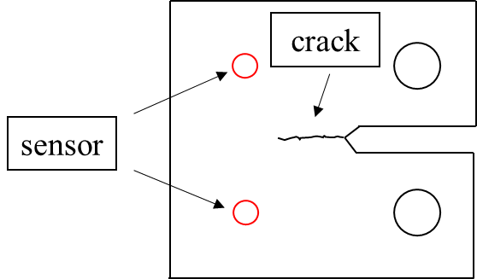 | Introduction of the experiment: In this study, the AE signal acquisition and fatigue testing are performed simultaneously. To avoid contingency, two sensors are used. The location of sensors is illustrated in the figure on the left. During the progration of fatigue crack, The stored strain energy in the vicinity of the crack tip is released rapidly as a form of elastic waves. The waves carry damage information associated with the crack propagation progress and can be picked up by acoustic emission sensors. In this study, six groups of AE signals are collected and analyzed.

 |  | Each AE signal corresponds to a crack length and the relevant calculation method is as follows: ti: the arrival time of signal i t0: the start time of fatigue testing N: the fatigue life corresponds to signal I f: the frequecy of fatigue machine and f = 10 Hz, in this study The start time of each specimen is shown in the table on the right.

$$N={(t}_{i}−t_{0})∗f$$
 |  |  | specimen number | arrival time
 |  |  | specimen1 | 11:49:07:296 219200
 |  |  | specimen2 | 09:27:52:926 910600
 |  |  | specimen3 | 11:28:38:502 149800
 |  |  | specimen4 | 16:23:55:533 348400
Introduction of AE signal: Before the experiment starts, An appropriate threshold is set to filter out background noise and the value fluctuates, usually around 40 dB. The peak definition time (PDT), the hit definition time (HDT), and hit lockout time (HLT) are set to 300μs, 600μs, 1000μs respectively. When the amplitude of AE signal is bigger than the threshold, the acquesition system records the signal. The waveform files record the information of each signal in detail, including: channel number, sampling frequency, arrival time, data points. For example, in the table on the left, the first row is the channel number, The second row is the sampling frequecy and the unit is kHz. The third row is the arrival time ( day: hour: second: millisecond ) , based on the time of the first point of this signal whose amplitude is greater than the threshold value. The following rows are the data points that records the waveform of the signal and the unit is V. | CH:1 DATA |  | specimen5 | 17:59:44:858 524900
 | SAMPLE FREQ: 3000 |  | specimen6 | 14:16:01:826 454600
 | Arrival time(dd:hh:mm:ss:mmm:uuunnn): 09:11:58:11:644 956300
 | AMP_V
 | 0.011292
 | -0.001526
 | -0.000916
 | 0.005493
 | 0.001221
 | -0.015564
 | -0.019226 | The folder of each specimen has the signal files of two sensors and the names are "CH1_data_" and "CH2_data_", sorting by time.
 | -0.012817
 | -0.002136
 | 0.00885
 | 0.014954
 | 0.009766
 | 0.006104
 | 0.010376
 | 0.0177
 | …………

